Summary
1.Sort the data by Score in descending order.Then filter to show only countries where Generosity is greater than 0.3 for 2019 year data

2.Using VLOOKUP or XLOOKUP, fetch the Score and GDP per capita for the countries: Finland, Denmark, India, and United States (2019 data)
Calculated column | Finland | Denmark | India | United States
Score | 7.769 | 7.6 | 4.015 | 6.892
GDP per capita | 1.34 | 1.383 | 0.755 | 1.433

3. Calculate the Average, Minimum, Maximum, and Standard Deviation of the column Healthy life expectancy.
Calculate Column | HLE (2019)
Avg | 0.72524358974
Min | 0
Max | 1.141
St Dev | 0.24819028096

4. Highlight cells in the Freedom to make life choices column using these rules from 2019 data
Green if > 0.6
Yellow if between 0.55 and 0.6
Red if < 0.55

Red

Yellow
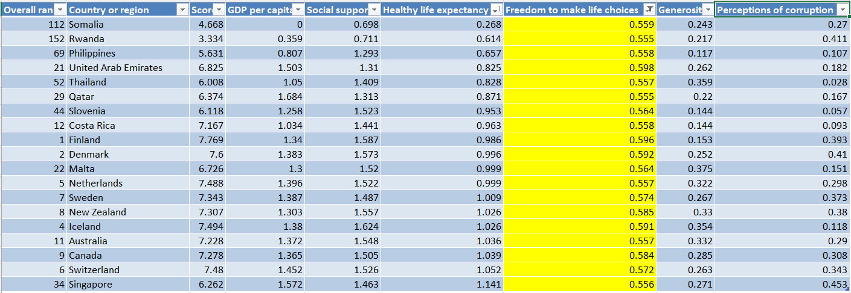

Green

